Sheet1
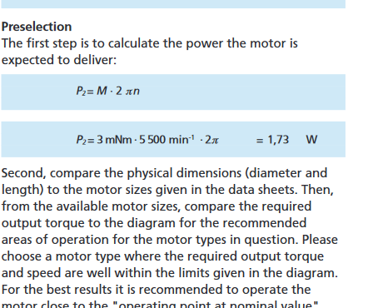
TIPO |  | N° | COMPONENTES | Model number | SIZE [mm] | Mass [g] | Accuracy [deg] | CUSTOM | CAD | PORT | Estimated Cost [€] | SIGNAL | Power [mW] | Input Voltage [V] | Temperature Range [°C] | HERITAGE | REFERENCE | REF. COMPRA | Notes |  | [1] | https://grabcad.com/library/mpu6050-1
SENSORES | IR EARTH HORIZON SENSOR | 5 | THERMOPILE | TPD1T0214 | 9.3 x 17.4 | 1 | 5 | NO | NO | N/A | 13.27 | ANALOG | 0 | 0 | -40 - +100 | MicroMAS | [3] | [4] |  |  | [2] | https://digitalcommons.usu.edu/cgi/viewcontent.cgi?article=4152&context=smallsat
 |  | 1 | PCB | N/A | 10x10 | 2.5 | N/A | YES | NO | I2C | N/A | ANALOG | 0.5 | 3 - 5 | -30 - +85
 | IMU | 1 | MPU 9250 | GY-91 MPU9250 | 11.5x6x1 | 20 | N/A | NO | YES | I2C | 13.61 | ANALOG | 0.36 | 2.16 - 3.6 | -30 - +85 | Studied for a 3U cubesat for NASA | [7] mag |  |  |  | [3] | https://www.colorado.edu/aerospace/sites/default/files/attached-files/ETHOS_CDD.pdf
ACTUADORES | Reaction Wheels | 3 | BSC Motor | Faulhaber 1202 004 BH | 20x2 | 6 | N/A | NO | NO | I2C | 90 | DIGITAL | 150 | 3.3 - 6 | -30 - 85 | Delfi-n3Xt |  | [15] |  |  | [4] | https://www.reichelt.com/de/en/thermopile-detector-tpd-1t-0214-tpd-1t-0214-p47516.html?r=1
 |  | 3 | ESC PCB | N/A | 13.4x13.4x4.5 | 2.242 |  | NO | NO | I2C | N/A | DIGITAL | 0.5 | 3 - 5 | -30 - +85 |  |  |  |  |  | [6] | https://www.amazon.es/SATKIT-Magnet%C3%B3metro-HMC5883L-Arduino-Compatible/dp/B06Y3TJPGC
 |  | 3 | Wheel | N/A | 20x2 | 10 |  | YES | NO | N/A | N/A | N/A | 0 | N/A | N/A |  |  |  |  |  | [7] | https://digital.wpi.edu/concern/file_sets/tb09j7484?locale=en
 | MAGNETORQUER | 2 | PRINTED MAGETORQUER | N/A | 90x90 | 2 | N/A | YES | N/A | I2C | N/A | DIGITAL | 120 | 2 - 7 | -40 - 75 | iCube, AraMiS | [2] | N/A |  |  | [8] | https://arc.aiaa.org/doi/pdf/10.2514/1.A34010
 |  |  |  |  |  |  |  |  |  |  |  |  |  |  |  |  |  |  |  |  | [9] | https://core.ac.uk/download/pdf/37320266.pdf
 |  |  |  |  | TOTAL |  |  |  |  |  | Available Power |  | 450 | mW |  |  |  |  |  |  | [10] | https://cdn-reichelt.de/documents/datenblatt/A500/TPS334%23PE.pdf
 |  |  |  |  | Mass | 86 | g |  |  |  | Used Power |  | 692.36 | mW |  |  |  |  |  |  | [11] | https://www.reichelt.com/de/en/thermopile-detector-tpd-1t-0214-tpd-1t-0214-p47516.html?r=1
 |  |  |  |  | Price | 349.96 | € |  |  |  | Remaining Power |  | -242.36 | mW |  |  |  |  |  |  | [12] | https://artofcircuits.com/product/10dof-gy-91-4-in-1-mpu-9250-and-bmp280-multi-sensor-module
 |  |  |  |  | Temp. Range | -30 to 75 | °C |  |  |  |  |  |  |  |  |  |  |  |  |  | [13] | http://citeseerx.ist.psu.edu/viewdoc/download?doi=10.1.1.823.8473&rep=rep1&type=pdf
 |  |  |  |  |  |  |  |  |  |  | Subsistema | Masa [g] | Potencia [mW] | Precio [€] | Range de Temperaturas |  |  |  |  |  | [14] | https://sci-hub.st/10.1016/j.actaastro.2015.12.003
 |  |  |  |  |  |  |  |  |  |  | ADCS | 86 | 692.36 | 349.96 | -30 to 75 |  |  |  |  |  | [15] | https://www.indiamart.com/proddetail/faulhaber-dc-motor-with-encoder-6700289991.html
 |  |  |  |  |  |  |  |  |  |  |  |  |  |  |  |  |  |  |  |  | [16] | https://www.datasheetarchive.com/pdf/download.php?id=3479938d3103537f1fafc8c82e5efbcd63f10c&type=P&term=faulhaber%25202209

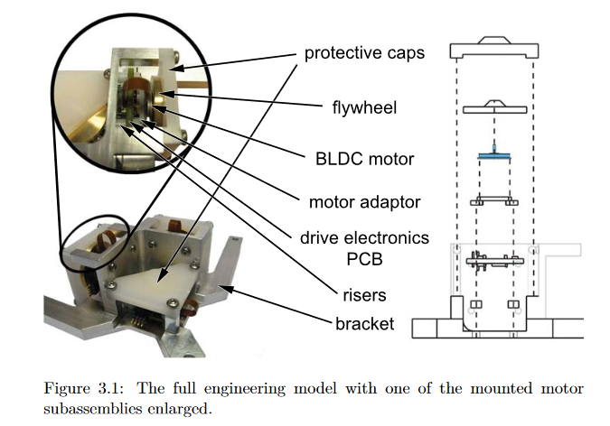

 |  |  |  |  |  |  |  |  |  |  |  |  |  |  |  |  | MOTORES:
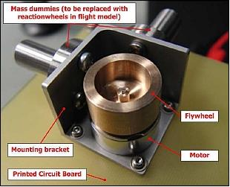

 |  |  |  |  |  |  |  |  |  |  |  |  |  |  |  |  | Dimensionar potencia motores: |  |  | https://www.faulhaber.com/fileadmin/Import/Media/EN_TECHNICAL_INFORMATION.pdf

